Sheet1
 |  | Document No. | Issue No. | Issue Date |  | Review and Replace Date |  |  | Authorised By
 |  | GFF408MC | 1 | 18.10.2023 |  | New Document |  |  | Magda Shah
 |  | Document Title | Hot & Spicy Chicken Bites W/Spicy Tomato Dip | 240G
Document amendments reason for change |  | New Document |  |  | Page 1 of 1 | Previous Issue Date | New Document |  | Uncontrolled copy unless signed original

CCSBI1-R1TEB | BOOTHS - XMAS |  | Hot & Spicy Chicken Bites W/Spicy Tomato Dip | 240G
STEP 1 |  |  |  |  | STEP 2
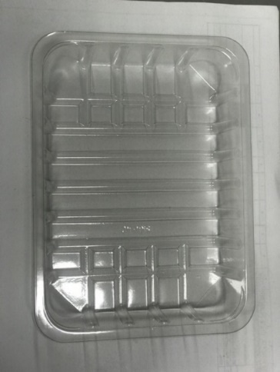 |  |  |  |  | 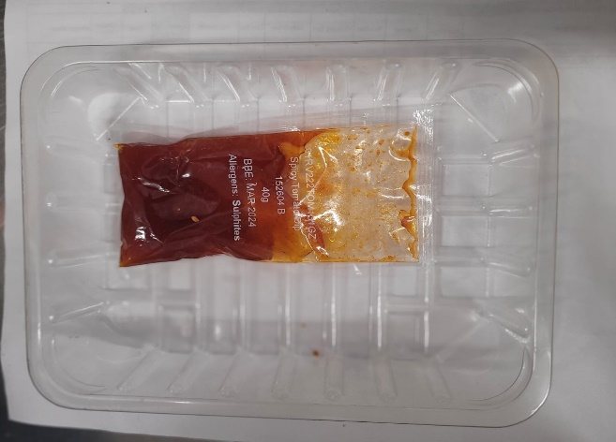

Tray: SK4 Plain Clear (PKESS001-07) |  |  |  |  | Spicy Tomato Dip (RMJAR001-01) 40g
Film: K-peel 7G+25A/f-275mm (PKKMP001-03)
STEP 3 |  |  |  |  | STEP 4
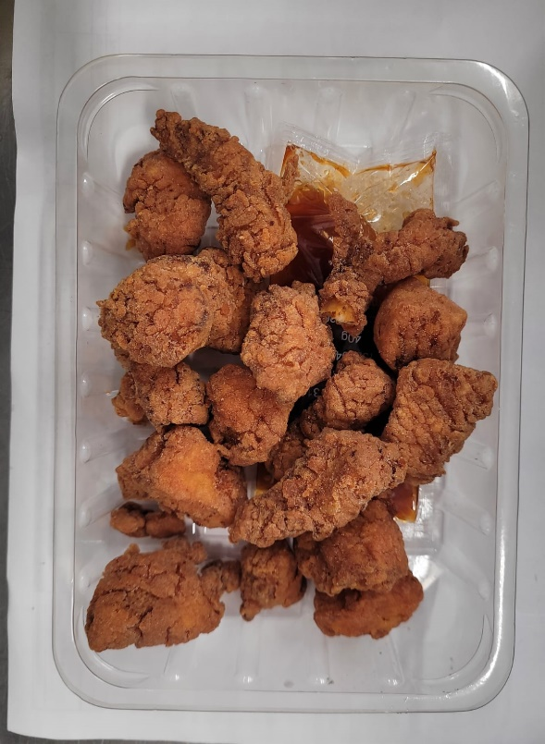

Minimum
7 pieces

Hot & Spicy Chicken Bites (GFF461R) 200g |  |  |  |  |  |  |  | TOTAL WEIGHT: 240g

ALLERGY ALERT:Sulphites

